Elective
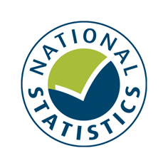

Summary Hospital-level Mortality Indicator (SHMI)
Depth of coding contextual indicators
Mean depth of coding for provider spells with an elective admission method

These data definitions support the csv data file for the SHMI contextual indicator "Mean depth of coding for provider spells with an elective admission method".

This is an indicator designed to accompany the Summary Hospital-level Mortality Indicator (SHMI). The Hospital Episode Statistics (HES) data used in the calculation of the SHMI contain a code for the main condition the patient is in hospital for (the primary diagnosis) and up to 19 secondary diagnosis codes for other conditions the patient is suffering from and this information is used to calculate the expected number of deaths. Due to limitations in their Patient Administration Systems (PAS) some providers are only able to enter a smaller number of secondary diagnosis codes. Using the same spell level data as the SHMI, this indicator presents the mean number of secondary diagnosis codes per finished provider spell (mean depth of coding) and the maximum number of secondary diagnosis codes in a finished provider spell for elective admissions. A higher mean depth of coding may indicate a higher proportion of patients with multiple conditions and/or comorbidities, but may also be due to differences in coding practices between trusts.

File information
Column Name | Position | Brief Description
INDICATOR_CODE | 1 | Indicator code
PROVIDER_CODE | 2 | 3 character provider/trust code
PROVIDER_NAME | 3 | Provider/trust name
MEAN | 4 | Mean number of secondary diagnosis codes per finished provider spell with an elective admission method
MAXIMUM | 5 | Maximum number of secondary diagnosis codes for a finished provider spell with an elective admission method

Copyright © 2017 Health and Social Care Information Centre
The Health and Social Care Information Centre is a non-departmental body created by statute, also known as NHS Digital.

